graphics
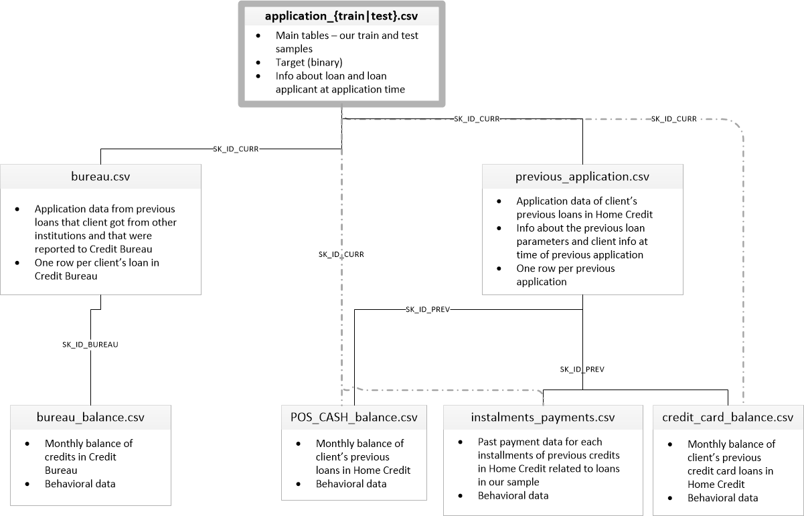

Machine Learning pipeline

Gather data from various sources
Transform data, clean it and normalize to reach "wide format"
1. Visualization, tabular overview.
2. Feature engineering
Machine Learning algorithms:
Test, evaluate and itterate.

WoE
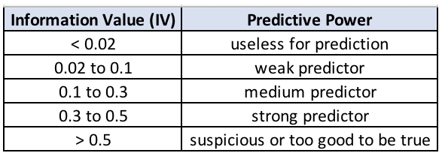
 | Bins | Y=1 | Y=0 | Total N | f(x|y=1) | f(x|y=0) | WOE | IV
 | 0 – 0 | 171 | 1,079 | 1,250 | 0.06 | 0.36 | -1.84 | 0.558
 | 1 – 1 | 194 | 376 | 570 | 0.06 | 0.13 | -0.66 | 0.04
 | 2 – 2 | 197 | 232 | 429 | 0.07 | 0.08 | -0.16 | 0.002
 | 3 – 4 | 451 | 351 | 802 | 0.15 | 0.12 | 0.25 | 0.008
 | 5 – 6 | 441 | 253 | 694 | 0.15 | 0.08 | 0.56 | 0.035
 | 7 – 8 | 200 | 118 | 318 | 0.07 | 0.04 | 0.53 | 0.014
 | 9 – 10 | 534 | 245 | 779 | 0.18 | 0.08 | 0.78 | 0.075
 | 11 –14 | 389 | 199 | 588 | 0.13 | 0.07 | 0.67 | 0.042
 | 15 – 50 | 423 | 147 | 570 | 0.14 | 0.05 | 1.06 | 0.097
Total (N) | 10 | 3,000 | 3,000 | 6,000 |  |  |  | 0.871

 | Constant, i.e. alpha in logistic model, for WOE. Also, formula for calculating WOE for bin l

 | p(y=1) | 0.5
 | p(y=0) | 0.5

Alpha |  | 0

 |  |  | Calculated for each bin in table above

 | Example for bin range 0-0 above
Log-density ratio | 0.15848007414 | 0.15848007414
WOE | -1.8421264088 | -1.8421264088
IV |  | 0.55263792263

P&L
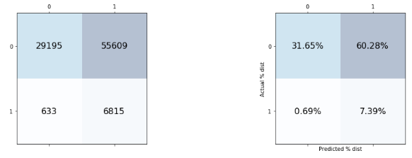
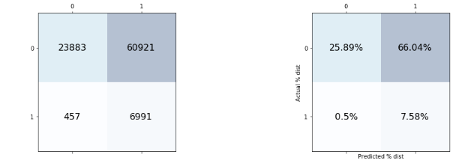
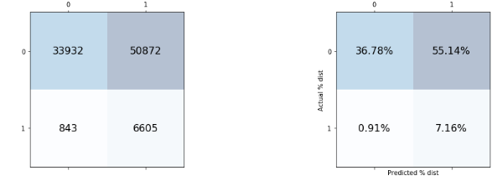

 |  |  |  | Predicted |  |  |  | Predicted |  |  |  | Predicted
Nr loans | 100,000 |  |  | 0 | 1 |  |  | 0 | 1 |  |  | 0 | 1
avg loan | 200,000 | Actuals |  |  |  | Actuals |  |  |  | Actuals
avg intr | 8.50% |  | 0 | 36.78% | 55.14% |  | 0 | 31.65% | 60.28% |  | 0 | 25.89% | 66.04%
LGD | 35%

 |  |  | 1 | 0.91% | 7.16% |  | 1 | 0.69% | 7.39% |  | 1 | 0.50% | 7.58%

 |  |  |  | 0 | 1 |  |  | 0 | 1 |  |  | 0 | 1

 |  |  | 0 | 52,105,000 | 0 |  | 0 | 44,837,500 | 0 |  | 0 | 36,677,500 | 0

 |  |  | 1 | 644,583 | 0 |  | 1 | 488,750 | 0 |  | 1 | 5 | 0

 |  |  |  | 0 | 1 |  |  | 0 | 1 |  |  | 0 | 1

 |  |  | 0 | 0 | 0 |  | 0 | 0 | 0 |  | 0 | 0 | 0

 |  |  | 1 | 182,000,000 | 0 |  | 1 | 138,000,000 | 0 |  | 1 | 100,000,000 | 0
 |  |  |  | 54,600,000 |  |  |  | 41,400,000 |  |  |  | 30,000,000

 |  |  |  | -1,850,417 |  |  |  | 3,926,250 |  |  |  | 6,677,505

